Locus NOC Instructions
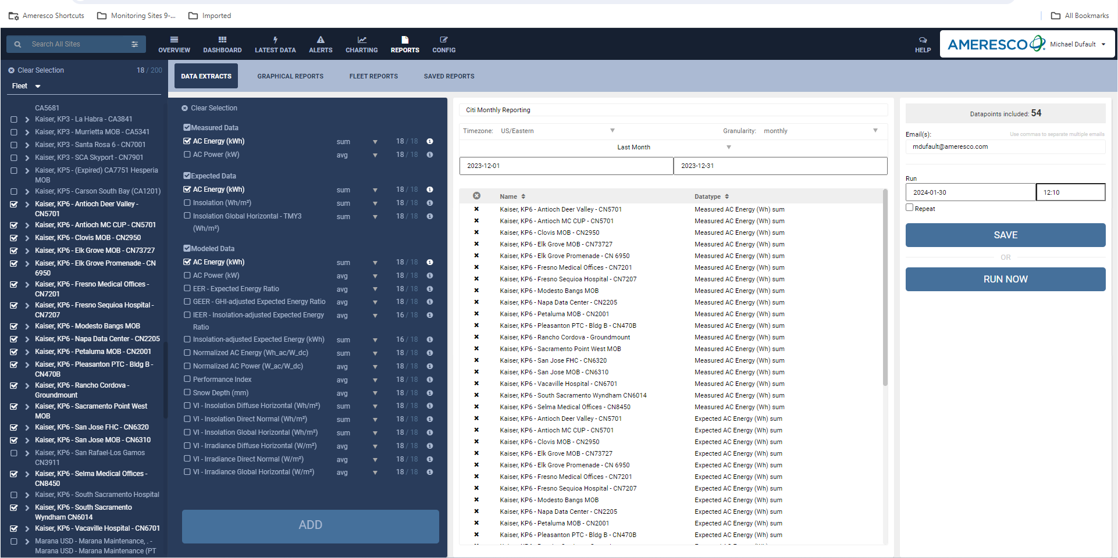
Instructions for LocusNOC:
1. Choose the site(s) in the particular portfolio
2. Go to the reports tab
3. For each site listed in the porfolio choose:
a. Measured Data/AC Energy (kWh)
b. Expected Data/AC Energy (kWh)
c. Modeled Data/AC Energy (kWh)
4. Label the report
5. Chose the date range
6. Choose the granularity: monthly
7.Choose RUN NOW
8. An email from LocusNOC will come to your email address.
9: Open file and inport into template.
* David Brown has created code to crunch this information (similar process as Silicon Ranch portfolio)

